Accounts Process
ACCOUNTS PROCESS FOR UNITS

· Every unit must prepare accounts - whether unit is registered with OSCR or not
· You are looking after someone else's money, and have a duty to take care of it and account for what you have done with it
· For units that are registered charities, please note that the accounts submitted as part of your annual return, will be published unredacted on the OSCR website. This means that all of the information on the green tabs will be viewable. Please make sure you do not include any additional or unnecessary information.
UNIT

During the year, record financial transactions,
using the INCOME and EXPENDITURE tabs.
Bank transactions (these should be checked against the bank statements)
Cash transactions (these should be checked against income received and any expenses paid out in cash)
Record every transaction on the income and expenditure tabs and keep a receipts/ invoices

At the year end: PREPARE ACCOUNTS
(4 pages - green tabs)
Receipts and payments account
Trustees' annual report
Statement of balances
Independent examiners report

 | When accounts are finalised

Accounts are independently reviewed
(See notes on who can be an independent examiner at the bottom of this page)

Sign accounts
Who signs which page (template has been designed for pages to be type signed)
• Receipts and payments account - No signature
• Statement of balances - Trustee
• Trustees Report - Trustee
• Independent examiners report - Independent examiner (for guidance on who can be an independent examiner, please scroll to the bottom of this page)
Send completed and signed accounts as per your local process
Speak to your local commissioner if you are unsure of your submission date or process

Is unit registered with OSCR?

 |  | ·
Complete annual OSCR return online and upload the signed accounts
A step by step guide to help with this can be accessed by clicking the link below:
www.girlguidingscotland.org.uk/wp-content/uploads/2026/01/2025-07-21-Completing-your-annual-OSCR-return.pdf
(Within 9 months of year end)

NO
YES

Nothing further but....
Keep a copy of the accounts
(required to be kept 6 years)

Who Can be an Independent Examiner ?
The independent examiner need not be an accountant but they should be someone independent of the management & administration of the unit and that the unit trustees believe has the required skills and experience to carry out a competent examination of the accounts.
The independent examiner should have no connection with the charity trustees that might inhibit their ability to carry out an impartial examination. The following people will normally be considered to have a connection:
the charity trustees / unit leaders or anyone else who is closely involved in the administration of the unit
a major donor or major beneficiary
a close relative, spouse, partner, business partner or employee of any of the people mentioned above.
If you are having trouble finding someone to sign off your accounts, please speak to your commissioner in the first instance. The independent examiner should NOT be your local commissioner if she is linked at all with your unit (i.e. she is a leader within it, related to one of the leaders, is a bank signatory, or the registered contact for OSCR).

Instructions
UNIT ACCOUNTS - Preparation
Instructions

DATA INPUT

General data | Enter unit information, year end date etc in grey boxes only.

Is this the first set of accounts that has been prepared for this unit? | N - is automatically selected. If this is the first year of the unit select Y from the drop down option.

 | Leave grey boxes blank if N/A
 | This information will feed through to all the other spreadsheets

For units that are registered charities
 | Enter your charity number. This will start with SC0…. If you are not a registered charity, please leave this blank.

Number of girls programme delievered to
 | Add the number of girls your unit has delivered to during the year. This then automatically pulls through to the accounts

If accounts are significantly different to the previous year
 | If your accounts are similar to the previous years - make sure "no" is showing. If they do, e.g you have done significant fundraising or arranged an international trip etc, make sure box states "yes" and in the paragrapgh below a description of the differences.

INCOME SHEET

Starting in the first row in the table, add in your transaction details as follows:

Date | The date of the transaction
Received from | Who money has been receievd from e.g "Subs - Amanda X"
Bank / Cash | Select from the drop down whether the amount was in cash or was received into the bank account (e.g. cheque, bank transfer)
Method | This a column where you can record if it's a bank transfer, deposit, cash, etc.
Reference | This is an additional column so you can record any additional information relevant to this transaction for yourself (e.g. an installment number "payment 3 of 10")

Columns E to O | These columns are for the amount of money received and what it is for
 | e.g. £30 received for membership subscriptions would go in column E or £5 received for an event would go in column H

Total | Do not type in here - this has a formula and will add up the total of the row (this should equal the amount reecieved).

Contra | You would use a contra if you are paying cash received into a bank account so that your bank and cash account totals match up at the end of the year. If you are paying cash into the bank, you will need to to use the contra columns. (Please note that this only applies to units still dealing with cash - if your unit is cashless, please use the other pack available on our website).
 | E.g You have collected £50 in cash from various girls for subs and now want to put this money into the bank account. You would have originally detailed these separate transactions as cash received in the INCOME spreadsheet.

 | The contra is recorded in 2 steps (IMPORTANT: the totals of the contra column on the income sheet and on the expenditure sheet should always match!)

 | STEP 1) In the income spreasheet record the £50 as "bank" in the contra column (F)
 | STEP 2)In the expenditure spreasheet record the £50 as "cash" in the contra column (E)

 | BANK and Cash Reconciliation

 | There is a summary box at the top of the sheet which will total how much has been receieved in the period in the bank and in cash.

 | The total of the cash and bank receieved in (Cell Q9) should equal the total in Cell Q4. If it doesn't please check that a method has been selected from the drop down and that the totals in column P matches the amounts in columns F to P.

EXPENDITURE SHEET

Starting in the first row in the table, add in your transaction details as follows:

Date | The date of the transaction
Payee | Who money has been paid to e.g "Church - Hall Rent"
Bank / Cash | In this column select from the dropdown menu whether the amount paid was in cash or by bank payment (this would include payment by cheque). This can't be left blank.
Method | In this column record the payment type i.e. if it's a bank payment / cash / cheque / transfer
Reference | This is an additional column so you can record any additional information relevant to this transaction for yourself (e.g. cheque number 7 - for thinking day badges)

Columns E to P | These columns are for the amount of the payment and what it is for
 | e.g. £110 paid for hall rent would go in column H or £7 in paid for stamps would go in column M

Total | Do not type in here - this has a formula and will add up the total of the row (this should equal the amount paid).

Contra | You would use a contra if you are paying cash received into a bank account so that your bank and cash account totals match up at the end of the year. If you are paying cash into the bank, you will need to to use the contra columns. If you are paying cash into the bank, you will need to to use the contra columns.
 | E.g You have collected £50 in cash from various girls for subs and now want to put this money into the bank account. You would have originally detailed these separate transactions as cash received in the INCOME spreadsheet.

 | The contra is recorded in 2 steps (IMPORTANT: the totals of the contra column on the income sheet and on the expenditure sheet should always match!)

 | STEP 1) In the income spreadsheet record the £50 as "bank" in the contra column (F)
 | STEP 2) In the expenditure spreasheet record the £50 as "cash" in the contra column (E)

 | Note - you do the opposite with step 1 & step 2 if you were taking money out of the bank to use for cash payments

 | Bank and cash reconciliation
 | There is a summary box at the top of the sheet which will total how much has been receieved in the period in the bank and in cash. The spreadsheet does this automatically

 | The total of the cash and bank received in (Cell R5) should equal the total in Cell R8. If it doesn't please check that a method has been selected from the drop down and that the totals in column R matches the amounts in columns F to Q.

If your unit has raised money for another charity, the amount raised and any associated costs MUST be shown separately from the units income and costs.
3rd party fundrarisng | (Column L in Income and Column P in Expenditure)
 | Example: Holding a coffee morning for another charity
 |  | Column I on Income | Column J on Expenditure
 |  | Income | Expenditure

 | Amount made from coffee morning | 43.50
 | Ingredients for cake sale (e.g tea / coffee / biscuits) |  | 5.50
 | Paid to another charity |  | 38.00

 |  | 43.50 | 43.50
 |  | These values must be the same

 | How this look and pulls through to the accounts in the receiots and payments tab
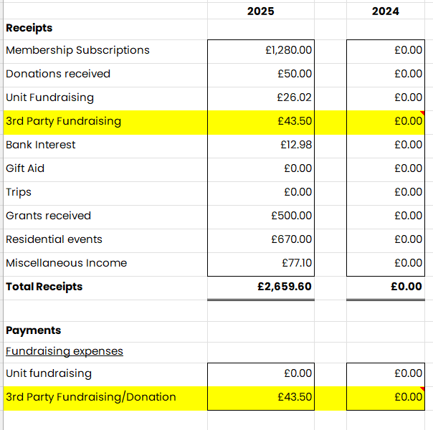

RECEIPTS AND PAYMENTS ACCOUNT

Current year | You should not need to enter any information for the current year or titles. This information pulls direct from Income and Expenditure tabs and the data input in the first tab

Comparative figures | These need to be manually input in column D from the previous years accounts or left blank if this is the unit's first set of accounts.

STATEMENT OF BALANCES

Current year | You should not need to enter any information for the current year or titles. This information pulls direct from Income and Expenditure tabs and the data input in the first tab

 | IMPORTANT. The opening cash balance and bank balance is taken from the figures entered for the comparative year so make sure this is correct otherwise your current year won't balance !

 | The figures for the closing bank (in cell B18) and cash (in cell C17) should agree to both your bank statement at the year end and the physical cash balance.

Comparative figures | These need to be manually input in column D from the previous years accounts or left blank if this is the unit's first set of accounts.
 | All other information for this report will be input automatically from the DATA INPUT SHEET

 | The typed signature will pull through automatically
TRUSTEES' ANNUAL REPORT

 | All other information for this report will be input automatically from the DATA INPUT SHEET
...

